Cleaning Comparison - Visual
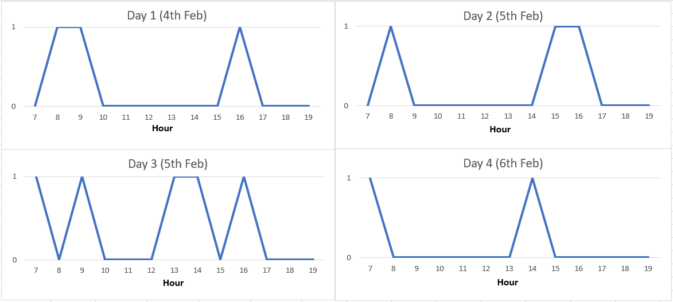
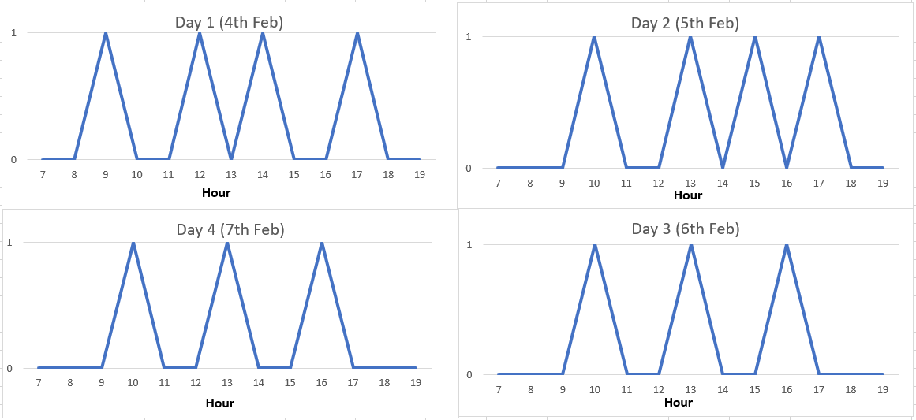
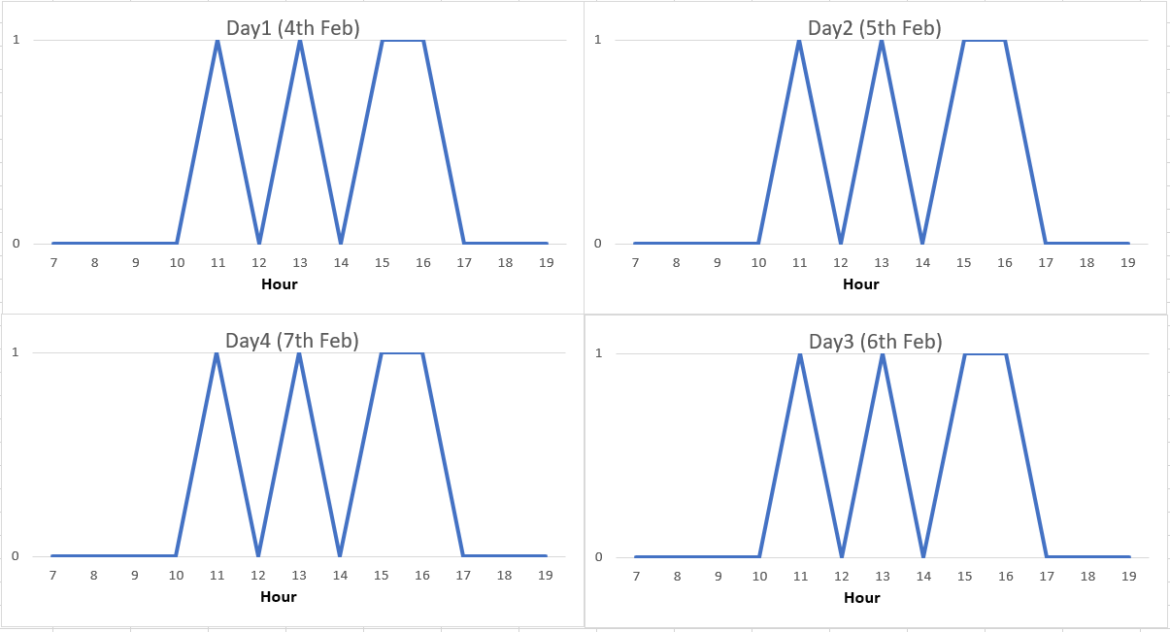
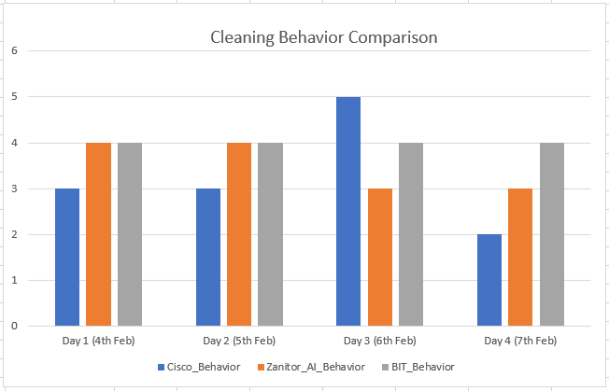
Cleaning Behaviour - Comparison

Cleaning Behaviour - Pattern
 | Cisco - Manual | Zanitor - Automation | BIT - Schedule

